Job Details

Job Number & Name: | 35084 LB Bexley
Site Number/Name: | Site 26 - Abbey Road
Client: | Waterman
Date: | 2023-03-30

Site Plan
Advanced Transport Research |  |  | Job Number & Name: | 35084 LB Bexley
Site 26 - Abbey Road |  |  | Date: | 2023-03-30

Job Type: | Pedestrian & Vehicle Count
Co-ordinates: | 51°29'28.27"N, 0° 8'40.54"E | Postcode: | DA17 5DE |  | Times: | 0730-0930 1430-1630

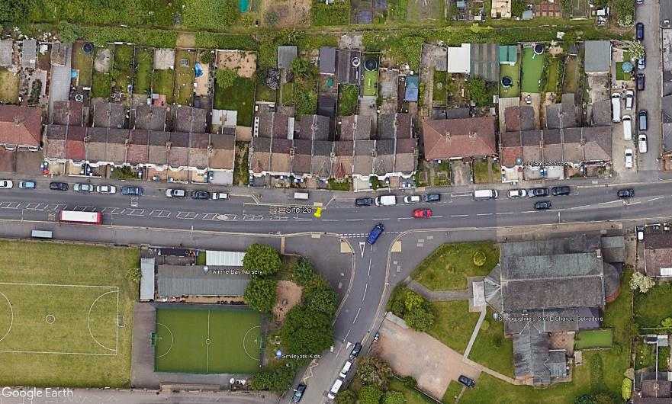
N

Abbey Road
2
C
3
A

B
1
D

St Augustines Road

